Sheet1
LIMITED INVENTORY...
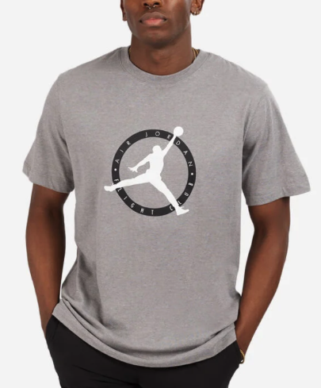
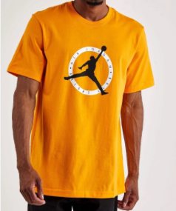
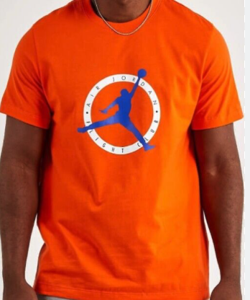
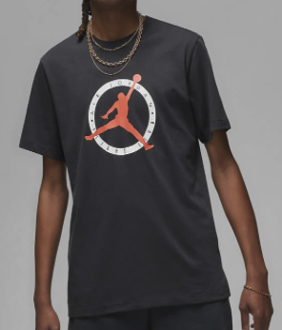
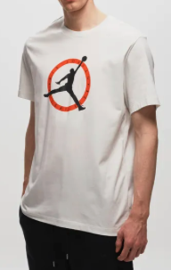
INCREDIBLE VALUE - Adult Branded T-Shirts!!

RETAIL: $29.99 USD RETAIL
ONLY 3,184 UNITS AVAILABLE
(subject to prior sale/ subject to final count at time of sale)
Adult Jumpman T-Shirts (DV-8436 NK)
Colour: Black, Yellow , White, Orange (as shown - full details available)
FOB TORONTO
SIZES AVAILABLE: S-2XL
CASE PACK: 64
PREPACK SIZES/ SOLID COLOUR PER CASE
S-8.M-16,L-16, XL-16, XXL-8
ALL WITH HANG TAGS, LABELS AND UPC
(All inventory subject to final count at time of sale/ Subject to prior sale)
OFFER PRICING: $10.50
supplier may be open to reasonable offer based on volume
PICTURE | Style Code | MENS JERSEY T-SHIRT | SIZE RATIO
 | MNK3CAJP-ASSORTED | COLOUR | S | M | L | XL | XXL | PCS /PER CTNS | TOTAL CTNS | TOTAL PCS

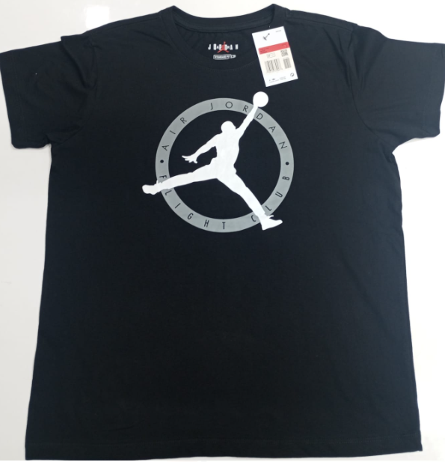 | DV-8436 NK - Jordan Jumpman - single design - assorted colours per case (as indicated) - prepacked sizes per case | BLACK - YELLOW OCHRE - RUSH ORANGE -WHITE | 1 | 2 | 2 | 2 | 1 | 64 | 39 | 2496
 |  | RUSH ORANGE | 6 | 12 | 12 | 12 | 6 | 64 | 7 | 448
 |  | YELLOW OCHRE | 2 | 4 | 4 | 4 | 2
 |  | WHITE | 2 | 0 | 8 | 4 | 2 | 64 | 1 | 64
 |  | RUSH ORANGE | 6 | 12 | 12 | 12 | 6
 |  | WHITE | 2 | 0 | 8 | 4 | 2 | 64 | 1 | 64
 |  | RUSH ORANGE | 0 | 12 | 24 | 12 | 0
 |  | WHITE | 2 | 0 | 8 | 4 | 2 | 64 | 1 | 64
 |  | RUSH ORANGE | 4 | 20 | 8 | 16 | 0
 |  | BLACK | 1 | 2 | 2 | 2 | 1 | 48 | 1 | 48
 |  |  |  |  |  |  |  |  | 50 | 3184
